Menus and Tran.dbf
Type | Index | Type | Format | Menu
0 | 0
1 | 1 | 0 | "Step {First Step}" | "Step {Step}" />
2 | 2
3 | 3 | 0 | "Steps {First Step} through {LastStep}" | "Steps {First Step} thru {Last Step}" />
4 | 4 | 0 | "{Section Title}, Step {First Step}{Page No.}" | "{Section Title}, Step {Step Number} (Page {Page No.})" />
5 | 5
6 | Outside Transitions
7 | 6 | 1 | "Step {First Step}{Page No.}" | "Step {Step} (Page {Page No.})" />
8 | 7 | 3 | "{Section No.}, {Section Title}, Steps {First Step} through {LastStep}" | "{Section No.}, {Section Title}, Steps {First Step} thru {Last Step}" />
9 | 8 | 4 | "{Section No.}, {Section Title}{Page No.}" | "{Section No.}, {Section Title} (Page {Page No.})" />
: | 9 | 4 | "{Section No.}, {Section Title}, Step {First Step}{Page No.}" | "{Section No.}, {Section Title}, Step {Step} (Page {Page No.})" />
; | 10 | 4 | "{Section No.}{Page No.}" | "{Section No.} (Page {Page No.})" />
< | 11 | 5 | " {First Step}" | "{Step} without page number" />
= | 12 | 1 | "Step {First Step} of this Attachment" | "Step {Step} of this Attachment" />
> | 13 | 0 | "{Section No.} {Section Title}" | "{Section No.} {Section Title}" />
? | 14 | 0 | "{Page No.}" | "{Page No.} of local section" />
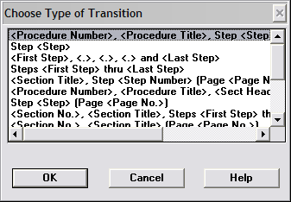

0 | 0
1 | 1
2 | 2
3 | 3
4 | 4
5 | 5
7 | 6
8 | 7

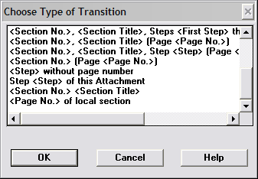

8 | 7
9 | 8
: | 9
; | 10
< | 11
= | 12
> | 13
? | 14

